Executive Dashboard
Executive Dashboard
OpenShift | April 2026 - July 2026

TOTAL OPEN |  | CRITICAL | HIGH |  | IMMEDIATE PATCH
140 |  | 23 | 48 |  | 71

Current unresolved findings |  | Critical severity findings | High severity findings |  | P1 + P2 findings

Severity Distribution |  |  | Patch Priority Distribution
Severity | Open Findings |  | Patch Priority | Open Findings
Critical | 23 |  | P1 | 0
High | 48 |  | P2 | 71
Medium | 46 |  | P3 | 46
Low | 23 |  | P4 | 23

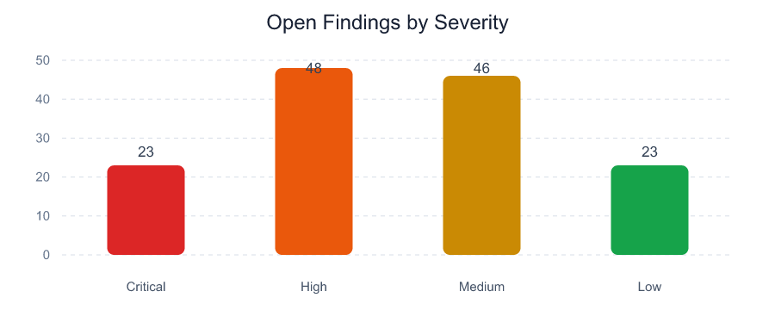
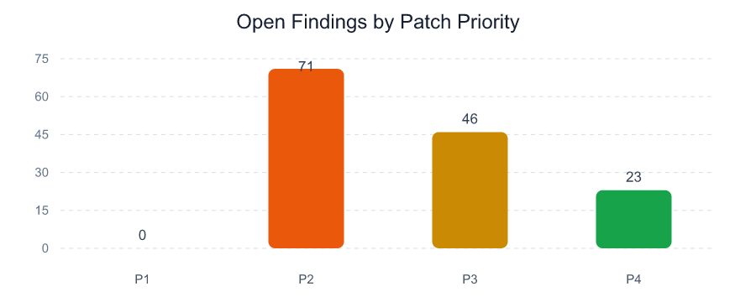

Executive Observations

- 71 of 140 open findings require P1 or P2 handling.

- 0 findings contain positive exploit-availability evidence in the selected scanner exports.

- 40 unique normalized assets or workloads are affected.

- 112 OpenShift findings have fix availability evidence; Fixable is not treated as exploit evidence.

Monthly Report
OpenShift Monthly Vulnerability Report
April 2026 - July 2026

TOTAL OPEN |  |  | NEW THIS MONTH |  |  | NOT CLOSED |  |  | PATCHED LAST MONTH
140 |  |  | 30 |  |  | 110 |  |  | 20

New + not closed |  |  | Identified in current report |  |  | Carried from previous report |  |  | June 2026 to July 2026

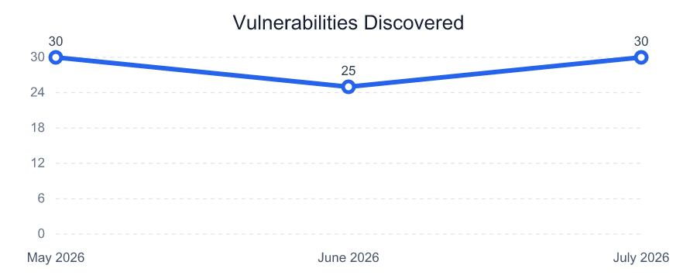
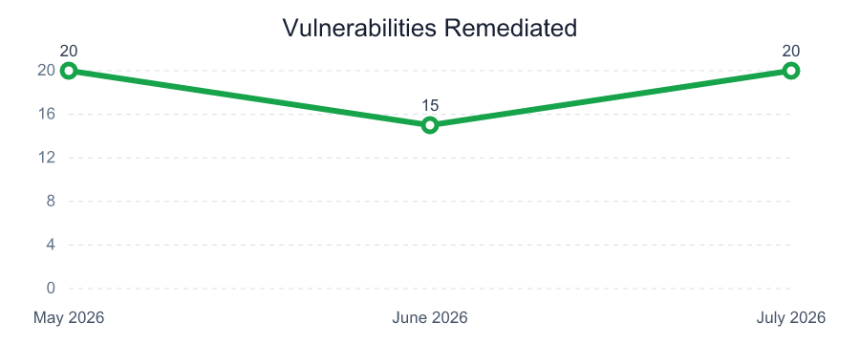
Vulnerability Trend - Last 3 Months
Month | Discovered | Remediated
May 2026 | 30 | 20
June 2026 | 25 | 15
July 2026 | 30 | 20

Total Open by Patch Priority
P1 |  |  | P2 |  |  | P3 |  |  | P4
0 |  |  | 71 |  |  | 46 |  |  | 23

Open findings |  |  | Open findings |  |  | Open findings |  |  | Open findings

Total Open by Age and Patch Priority |  |  |  |  |  | Vulnerabilities Patched in Last Month
Patch Priority | >7 days | >30 days | >60 days | >180 days |  | Measure | Count | Report Month
P1 | 0 | 0 | 0 | 0 |  | Previous Month Open | 130 | June 2026
P2 | 71 | 56 | 43 | 11 |  | New This Month | 30 | July 2026
P3 | 46 | 36 | 28 | 7 |  | Current Month Open | 140 | July 2026
P4 | 23 | 18 | 14 | 4 |  | Patched Last Month | 20 | July 2026

Uploaded Month Summary
Month | Critical | High | Medium | Low | Total Open | New | Patched
April 2026 | 19 | 37 | 36 | 18 | 110 | 0 | 0
May 2026 | 20 | 40 | 40 | 20 | 120 | 30 | 20
June 2026 | 22 | 44 | 42 | 22 | 130 | 25 | 15
July 2026 | 23 | 48 | 46 | 23 | 140 | 30 | 20

Top Vulnerable Assets
Top Vulnerable Assets
OpenShift | April 2026 - July 2026

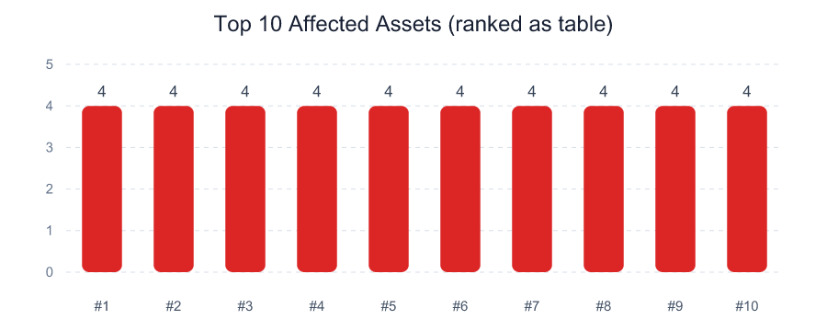
IP Address | DNS / Workload | Critical | High | P1 + P2 | Open Findings | Max Exposure
N/A | customer-portal/gateway-5 | 1 | 2 | 3 | 4 | 980
N/A | customer-portal/scheduler-2 | 2 | 1 | 3 | 4 | 980
N/A | integration/scheduler-4 | 1 | 2 | 3 | 4 | 980
N/A | integration/web-1 | 2 | 1 | 3 | 4 | 980
N/A | payments/gateway-3 | 2 | 1 | 3 | 4 | 980
N/A | payments/web-2 | 1 | 2 | 3 | 4 | 980
N/A | shared-services/web-3 | 1 | 2 | 3 | 4 | 980
N/A | analytics/scheduler-3 | 0 | 2 | 2 | 4 | 810
N/A | customer-portal/web-4 | 1 | 1 | 2 | 4 | 980
N/A | edge/worker-1 | 0 | 2 | 2 | 4 | 810
N/A | identity/gateway-4 | 0 | 2 | 2 | 4 | 810
N/A | monitoring/web-2 | 0 | 2 | 2 | 4 | 810
N/A | payments/scheduler-5 | 1 | 1 | 2 | 4 | 980
N/A | shared-services/scheduler-1 | 1 | 1 | 2 | 4 | 980
N/A | analytics/web-5 | 0 | 1 | 1 | 4 | 810

Top Vulnerabilities
Top Vulnerabilities
OpenShift | April 2026 - July 2026

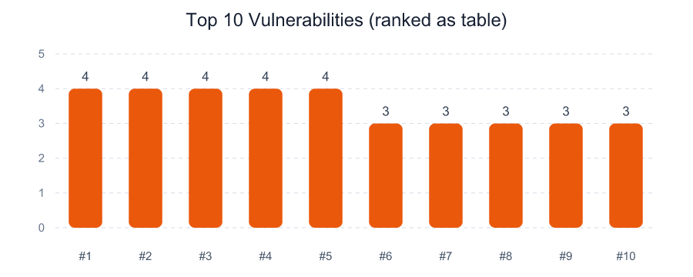
Vulnerability | CVE | Open Findings | Affected Assets | Highest Priority | Exploit Available | Max Exposure
go-toolset - CVE-2026-3013 | CVE-2026-3013 | 4 | 4 | P2 | 0 | 810
krb5-libs - CVE-2026-3011 | CVE-2026-3011 | 4 | 4 | P2 | 0 | 810
nginx - CVE-2026-3014 | CVE-2026-3014 | 4 | 4 | P2 | 0 | 810
python3-libs - CVE-2026-3012 | CVE-2026-3012 | 4 | 4 | P2 | 0 | 980
zlib - CVE-2026-3010 | CVE-2026-3010 | 4 | 4 | P2 | 0 | 810
curl - CVE-2026-3002 | CVE-2026-3002 | 3 | 3 | P2 | 0 | 810
curl - CVE-2026-3017 | CVE-2026-3017 | 3 | 3 | P2 | 0 | 810
curl - CVE-2026-3027 | CVE-2026-3027 | 3 | 3 | P2 | 0 | 980
curl - CVE-2026-3037 | CVE-2026-3037 | 3 | 3 | P2 | 0 | 810
expat - CVE-2026-3004 | CVE-2026-3004 | 3 | 3 | P2 | 0 | 810
expat - CVE-2026-3019 | CVE-2026-3019 | 3 | 3 | P2 | 0 | 810
expat - CVE-2026-3029 | CVE-2026-3029 | 3 | 3 | P2 | 0 | 810
expat - CVE-2026-3039 | CVE-2026-3039 | 3 | 3 | P2 | 0 | 980
glibc - CVE-2026-3001 | CVE-2026-3001 | 3 | 3 | P2 | 0 | 810
glibc - CVE-2026-3016 | CVE-2026-3016 | 3 | 3 | P2 | 0 | 810

